Price List
PICTURE | PAINTING NAME | MEDIUM | MATERIAL | SIZE | PRICE | ACTUAL PRICE | 15% DISCOUNT | SELLING PRICE
 | King Priest | Acrylic Base | STRETCHED CANVAS | 30" X 40" | $7,500.00 | $6,000.00 | $750.00 | $5,250.00
 | Fasting Buddha | Acrylic Base | STRETCHED CANVAS | 30" X 40" | $7,000.00 | $5,600.00 | $700.00 | $4,900.00
 | Buddha | Acrylic Base | STRETCHED CANVAS | 24" X 36" | $6,500.00 | $5,200.00 | $650.00 | $4,550.00
 | King Tut | Acrylic Base | STRETCHED CANVAS | 24" X 36" | $7,500.00 | $6,000.00 | $750.00 | $5,250.00
 | Nefertiti | Acrylic Base | STRETCHED CANVAS | 24" X 36" | $5,800.00 | $4,640.00 | $580.00 | $4,060.00
 | Sarcophagus | Acrylic Base | STRETCHED CANVAS | 24" X 36" | $5,800.00 | $4,640.00 | $580.00 | $4,060.00
 | Chief of Kandy, Sri Lanka | Acrylic Base | STRETCHED CANVAS | 30" X 40" | $5,500.00 | $4,400.00 | $550.00 | $3,850.00
 | Buddha, Mohra Muradu, Pakistan | Acrylic Base | STRETCHED CANVAS | 16" X 20" | $4,200.00 | $3,360.00 | $420.00 | $2,940.00
 | Buddha, Julian, Pakistan | Acrylic Base | STRETCHED CANVAS | 16" X 20" | $2,900.00 | $2,320.00 | $290.00 | $2,030.00
 | Rustic Buddha | Acrylic Base | STRETCHED CANVAS | 24" X 36" | $4,500.00 | $3,600.00 | $450.00 | $3,150.00
 | Smiley Face of Bayon Temple, Cambodia | Acrylic Base | STRETCHED CANVAS | 30" X 40" | $6,500.00 | $5,200.00 | $650.00 | $4,550.00
 | The Wooden Beauty | Acrylic Base | STRETCHED CANVAS | 36" X 24" | $5,800.00 | $4,640.00 | $580.00 | $4,060.00
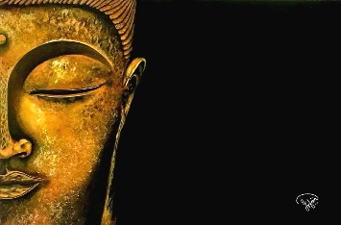 | Half-Face Buddha | Acrylic Base | STRETCHED CANVAS | 36" X 24" | $4,500.00 | $3,600.00 | $450.00 | $3,150.00
 | Shahjahan Masjid, Thatta, Pakistan I | Acrylic Base | STRETCHED CANVAS | 24" X 48" | $6,500.00 | $5,200.00 | $650.00 | $4,550.00
 | Sheikh Zayed Grand Mosque, Abu Dhabi | Acrylic Base | STRETCHED CANVAS | 24" X 48" | $12,500.00 | $10,000.00 | $1,250.00 | $8,750.00
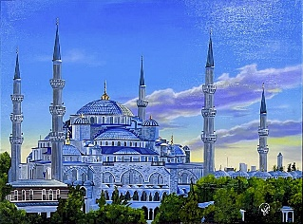 | The Blue Mosque, Istanbul, Turkey | Acrylic Base | STRETCHED CANVAS | 40" X 32" | $9,500.00 | $7,600.00 | $950.00 | $6,650.00
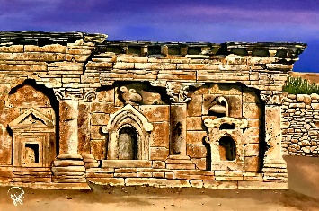 | Double-Headed Eagle Stupa, Taxila, Pakistan | Acrylic Base | STRETCHED CANVAS | 36" X 24" | $4,900.00 | $3,920.00 | $490.00 | $3,430.00
 | Mohenjo-Daro, Pakistan | Acrylic Base | STRETCHED CANVAS | 24" X 48" | $10,500.00 | $8,400.00 | $1,050.00 | $7,350.00
 | Rohtas Fort, Jhelum, Pakistan | Acrylic Base | STRETCHED CANVAS | 24" X 48" | $8,500.00 | $6,800.00 | $850.00 | $5,950.00
 | Shahjahan Masjid, Thatta, Pakistan II | Acrylic Base | STRETCHED CANVAS | 24" X 48" | $5,400.00 | $4,320.00 | $540.00 | $3,780.00
 | Qal'at al-Bahrain, Bahrain I | Acrylic Base | STRETCHED CANVAS | 24" X 48" | $8,500.00 | $6,800.00 | $850.00 | $5,950.00
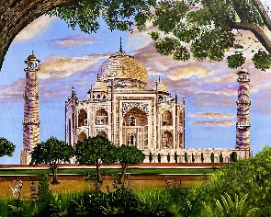 | Taj Mahal at Sunset, Agra, India | Acrylic Base | STRETCHED CANVAS | 40" X 32" | $9,500.00 | $7,600.00 | $950.00 | $6,650.00
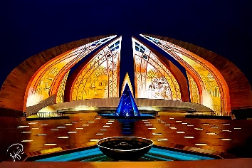 | Pakistan Monument, Shakarparian, Islamabad | Acrylic Base | STRETCHED CANVAS | 72" X 48" | $28,000.00 | $22,400.00 | $2,800.00 | $19,600.00
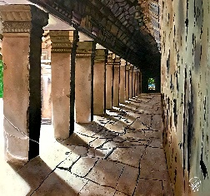 | Pillar of Ta Prohm Temple, Cambodia | Acrylic Base | STRETCHED CANVAS | 36" X 36" | $6,800.00 | $5,440.00 | $680.00 | $4,760.00
 | Mission San Juan Capistrano, California I | Acrylic Base | STRETCHED CANVAS | 32" X 40" | $8,000.00 | $6,400.00 | $800.00 | $5,600.00
 | PILLARS OF MASJID ZUL HULAIFA | Acrylic Base | STRETCHED CANVAS | 40" X 46" | $9,550.00 | $7,640.00 | $955.00 | $6,685.00
 | Petra, Jordan | Acrylic Base | STRETCHED CANVAS | 20" X 24" | $3,800.00 | $3,040.00 | $380.00 | $2,660.00
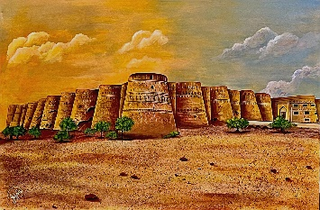 | Derawar Fort, Bahawalpur, Pakistan | Acrylic Base | STRETCHED CANVAS | 36" X 24" | $6,200.00 | $4,960.00 | $620.00 | $4,340.00
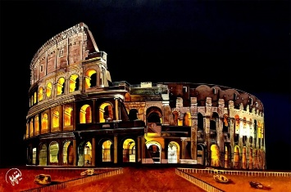 | Colosseum, Rome, Italy | Acrylic Base | STRETCHED CANVAS | 24" X 36" | $6,700.00 | $5,360.00 | $670.00 | $4,690.00
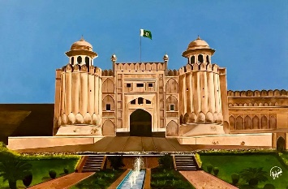 | Shahi Qilla, Lahore, Pakistan | Acrylic Base | STRETCHED CANVAS | 36" X 24" | $4,500.00 | $3,600.00 | $450.00 | $3,150.00
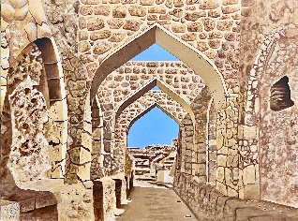 | Qal'at al-Bahrain, Bahrain II | Acrylic Base | STRETCHED CANVAS | 40" X 30" | $8,500.00 | $6,800.00 | $850.00 | $5,950.00
 | Bahrain World Trade Center, Bahrain | Acrylic Base | STRETCHED CANVAS | 30" X 40" | $8,800.00 | $7,040.00 | $880.00 | $6,160.00
 | Masjid-e-Nabvi, Madinah, Saudi Arabia | Acrylic Base | STRETCHED CANVAS | 30" X 40" | $5,500.00 | $4,400.00 | $550.00 | $3,850.00
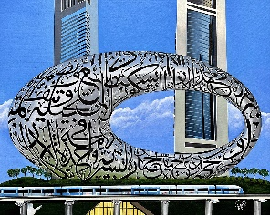 | Museum of the Future, Dubai I | Acrylic Base | STRETCHED CANVAS | 32" X 40" | $9,000.00 | $7,200.00 | $900.00 | $6,300.00
 | Museum of the Future, Dubai II | Acrylic Base | STRETCHED CANVAS | 32" X 40" | $9,000.00 | $7,200.00 | $900.00 | $6,300.00
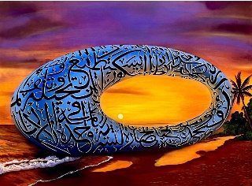 | Museum of the Future at the Beach, Dubai | Acrylic Base | STRETCHED CANVAS | 32" X 40" | $9,200.00 | $7,360.00 | $920.00 | $6,440.00
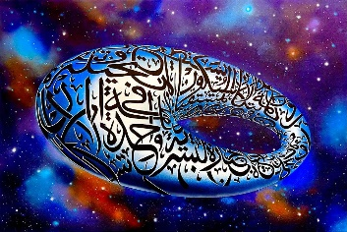 | Museum of the Future in space, Dubai III | Acrylic Base | STRETCHED CANVAS | 36" X 24" | $8,500.00 | $6,800.00 | $850.00 | $5,950.00
 | Museum of the Future in Desert, Dubai III | Acrylic Base | STRETCHED CANVAS | 36" X 24" | $7,500.00 | $6,000.00 | $750.00 | $5,250.00
 | Shahjahan Masjid, Thatta, Pakistan III | Acrylic Base | STRETCHED CANVAS | 36" X 24" | $7,000.00 | $5,600.00 | $700.00 | $4,900.00
 | Bamyan Buddha, Afghanistan | Acrylic Base | STRETCHED CANVAS | 24" X 48" | $4,500.00 | $3,600.00 | $450.00 | $3,150.00
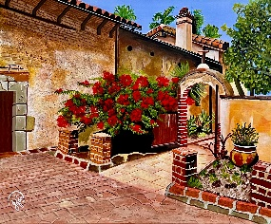 | Mission San Juan Capistrano, California II | Acrylic Base | STRETCHED CANVAS | 28" X 20" | $5,500.00 | $4,400.00 | $550.00 | $3,850.00
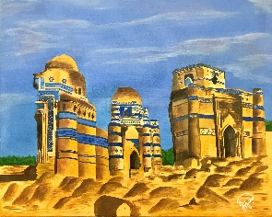 | Tombs of Bibi Jawindi, Bahawalpur, Pakistan | Acrylic Base | STRETCHED CANVAS | 20" X 16" | $3,000.00 | $2,400.00 | $300.00 | $2,100.00
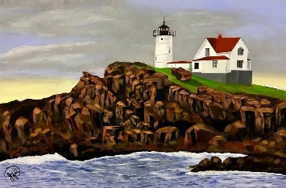 | Lighthouse, Portland, Maine | Acrylic Base | STRETCHED CANVAS | 36" X 24" | $4,800.00 | $3,840.00 | $480.00 | $3,360.00
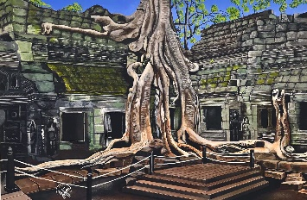 | Ta Prohm Temple Tree, Cambodia | Acrylic Base | STRETCHED CANVAS | 36" X 24" | $6,200.00 | $4,960.00 | $620.00 | $4,340.00
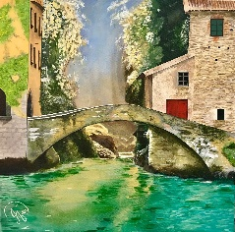 | Civera Bridge, Lake Como, Nesso, Italy | Acrylic Base | STRETCHED CANVAS | 24" X 24" | $5,500.00 | $4,400.00 | $550.00 | $3,850.00
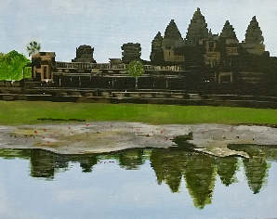 | Angkor Wat, Cambodia | Acrylic Base | STRETCHED CANVAS | 20" X 16" | $2,000.00 | $1,600.00 | $200.00 | $1,400.00
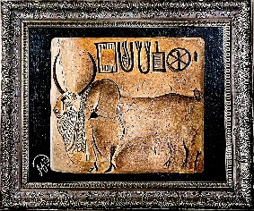 | Seal of Bull, Mohenjo-Daro | Acrylic Base | STRETCHED CANVAS | 20" X 16" | $3,200.00 | $2,560.00 | $320.00 | $2,240.00
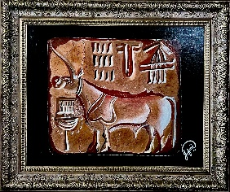 | Single-Horned Bull Seal, Mohenjo-Daro | Acrylic Base | STRETCHED CANVAS | 20" X 16" | $3,200.00 | $2,560.00 | $320.00 | $2,240.00
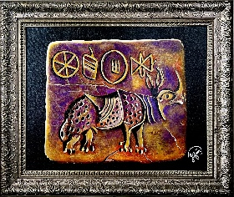 | Rhinoceros Seal, Mohenjo-Daro | Acrylic Base | STRETCHED CANVAS | 20" X 16" | $3,200.00 | $2,560.00 | $320.00 | $2,240.00
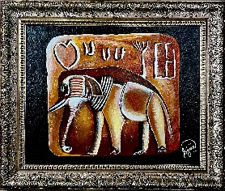 | Seal of Elephant, Mohenjo-Daro | Acrylic Base | STRETCHED CANVAS | 20" X 16" | $3,200.00 | $2,560.00 | $320.00 | $2,240.00
 | Balanced Rock, Arches National Park, Utah | Acrylic Base | STRETCHED CANVAS | 24" X 36" | $6,500.00 | $5,200.00 | $650.00 | $4,550.00
 | Three Gossips, Arches National Park, Utah | Acrylic Base | STRETCHED CANVAS | 24" X 36" | $5,500.00 | $4,400.00 | $550.00 | $3,850.00
 | Minar-e-Pakistan, Lahore, Pakistan | Acrylic Base | STRETCHED CANVAS | 24" X 48" | $6,500.00 | $5,200.00 | $650.00 | $4,550.00
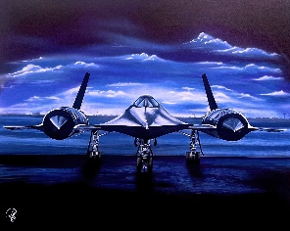 | SR-71 Blackbird, USA | Acrylic Base | STRETCHED CANVAS | 60" X 48" | $20,500.00 |  |  | $20,500.00
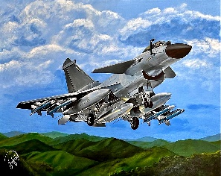 | J-10C Fighter Jet | Acrylic Base | STRETCHED CANVAS | 40" X 32" | $9,500.00 | $7,600.00 | $950.00 | $6,650.00
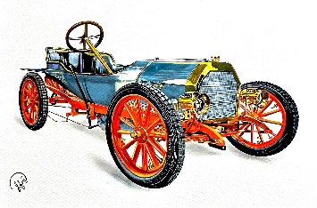 | Bugatti 1908 Type 10, Le Petit Pur-Sang | Acrylic Base | STRETCHED CANVAS | 36" X 24" | $7,900.00 | $6,320.00 | $790.00 | $5,530.00
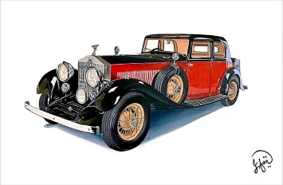 | 1930 Rolls-Royce | Acrylic Base | STRETCHED CANVAS | 36" X 24" | $6,200.00 | $4,960.00 | $620.00 | $4,340.00
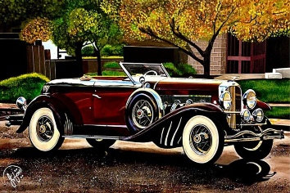 | 1929 Duesenberg Model J | Acrylic Base | STRETCHED CANVAS | 36" X 24" | $7,200.00 | $5,760.00 | $720.00 | $5,040.00
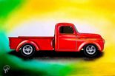 | 1952 Dodge Pilothouse B3B | Acrylic Base | STRETCHED CANVAS | 36" X 24" | $4,800.00 | $3,840.00 | $480.00 | $3,360.00
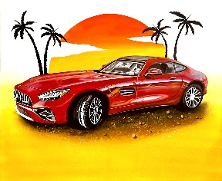 | Mercedes-Benz AMG GT V-8 Biturbo | Acrylic Base | STRETCHED CANVAS | 24" X 20" | $4,000.00 | $3,200.00 | $400.00 | $2,800.00
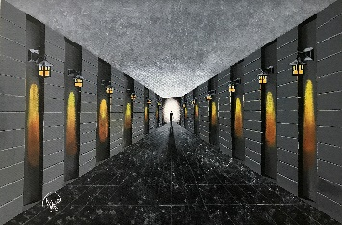 | Time Traveler | Acrylic Base | STRETCHED CANVAS | 36" X 24" | $6,500.00 | $5,200.00 | $650.00 | $4,550.00
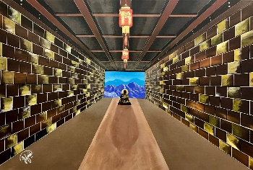 | Serenity | Acrylic Base | STRETCHED CANVAS | 36" X 24" | $4,500.00 | $3,600.00 | $450.00 | $3,150.00
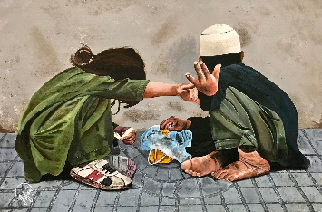 | Ashamed | Acrylic Base | STRETCHED CANVAS | 36" X 24" | $10,000.00 |  |  | $10,000.00
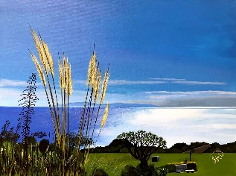 | Pepperdine Peace | Acrylic Base | STRETCHED CANVAS | 36" X 24" | $4,100.00 | $3,280.00 | $410.00 | $2,870.00
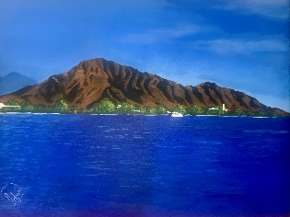 | Diamond Head | Acrylic Base | STRETCHED CANVAS | 40" X 30" | $4,500.00 | $3,600.00 | $450.00 | $3,150.00
 | Pemaquid Point Lighthouse | Acrylic Base | STRETCHED CANVAS | 20" X 24" | $4,800.00 | $3,840.00 | $480.00 | $3,360.00
 | Pemaquid Point Lighthouse, Interior | Acrylic Base | STRETCHED CANVAS | 20" X 24" | $3,500.00 | $2,800.00 | $350.00 | $2,450.00
 | The Barn | Acrylic Base | STRETCHED CANVAS | 16" X 20" | $3,500.00 | $2,800.00 | $350.00 | $2,450.00
 | Alone | Acrylic Base | STRETCHED CANVAS | 16" X 20" | $2,900.00 | $2,320.00 | $290.00 | $2,030.00
 | Lovers Bridge | Acrylic Base | STRETCHED CANVAS | 20" X 24" | $3,800.00 | $3,040.00 | $380.00 | $2,660.00
 | Stupa, Taxila, Pakistan | Acrylic Base | STRETCHED CANVAS | 16" X 20" | $3,200.00 | $2,560.00 | $320.00 | $2,240.00
 | Awaits | Acrylic Base | STRETCHED CANVAS | 16" X 20" | $2,800.00 | $2,240.00 | $280.00 | $1,960.00
 | U.S. Flag | Acrylic Base | STRETCHED CANVAS | 48" X 24" | $6,000.00 | $4,800.00 | $600.00 | $4,200.00
 | Waikiki Pier | Acrylic Base | STRETCHED CANVAS | 12" X 36" | $4,500.00 | $3,600.00 | $450.00 | $3,150.00
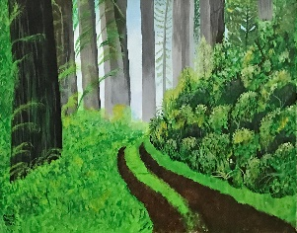 | Where Peace Resides | Acrylic Base | STRETCHED CANVAS | 16" X 20" | $2,800.00 | $2,240.00 | $280.00 | $1,960.00
 | Mi Casa | Acrylic Base | STRETCHED CANVAS | 12" X 16" | $1,400.00 | $1,120.00 | $140.00 | $980.00
 | The Curious One | Acrylic Base | STRETCHED CANVAS | 16" X 20" | $2,800.00 | $2,240.00 | $280.00 | $1,960.00
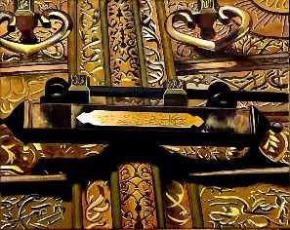 | Lock of Kaaba | Acrylic Base | STRETCHED CANVAS | 20" X 16" | $2,700.00 | $2,160.00 | $270.00 | $1,890.00
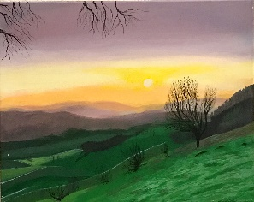 | Northern Beauty | Acrylic Base | STRETCHED CANVAS | 20" X 16" | $2,800.00 | $2,240.00 | $280.00 | $1,960.00
 | Somewhere, Out There | Acrylic Base | STRETCHED CANVAS | 40" X 30" | $5,000.00 | $4,000.00 | $500.00 | $3,500.00
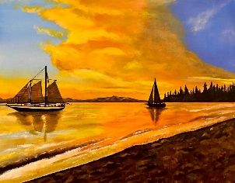 | Lake Tahoe | Acrylic Base | STRETCHED CANVAS | 20" X 16" | $2,800.00 | $2,240.00 | $280.00 | $1,960.00
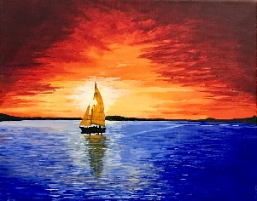 | Sunset Serenity | Acrylic Base | STRETCHED CANVAS | 12" X 16" | $2,200.00 | $1,760.00 | $220.00 | $1,540.00
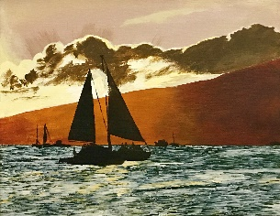 | Waikiki Trend | Acrylic Base | STRETCHED CANVAS | 20" X 16" | $2,800.00 | $2,240.00 | $280.00 | $1,960.00
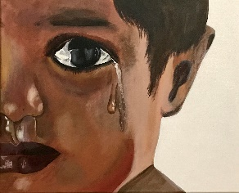 | One Tear | Acrylic Base | STRETCHED CANVAS | 20" X 16" | $2,800.00 | $2,240.00 | $280.00 | $1,960.00
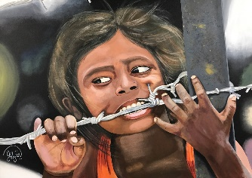 | Trapped | Acrylic Base | STRETCHED CANVAS | 40" X 30" | $6,000.00 | $4,800.00 | $600.00 | $4,200.00
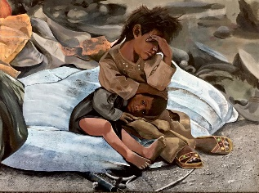 | Now What? | Acrylic Base | STRETCHED CANVAS | 40" X 30" | $6,000.00 | $4,800.00 | $600.00 | $4,200.00
 | Eastern Mona Lisa | Acrylic Base | STRETCHED CANVAS | 24" X 36" | $6,200.00 | $4,960.00 | $620.00 | $4,340.00
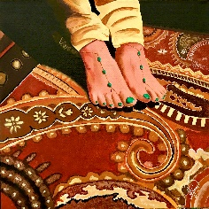 | Eastern Beauty | Acrylic Base | STRETCHED CANVAS | 24" X 24" | $3,500.00 | $2,800.00 | $350.00 | $2,450.00
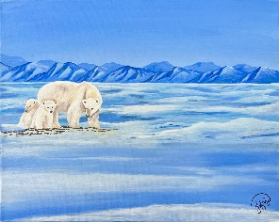 | Guardians of the Ice | Acrylic Base | STRETCHED CANVAS | 20" X 16" | $2,000.00 | $1,600.00 | $200.00 | $1,400.00
 | Toby | Acrylic Base | STRETCHED CANVAS | 16" X 20" | $2,800.00 | $2,240.00 | $280.00 | $1,960.00
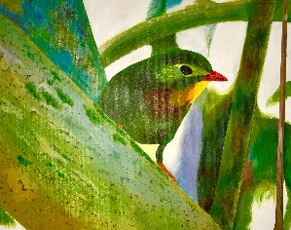 | Hawaiian Beauty | Acrylic Base | STRETCHED CANVAS | 20" X 16" | $2,800.00 | $2,240.00 | $280.00 | $1,960.00
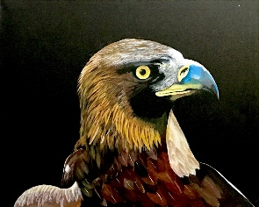 | Where Eagles Dare | Acrylic Base | STRETCHED CANVAS | 20" X 16" | $2,000.00 | $1,600.00 | $200.00 | $1,400.00
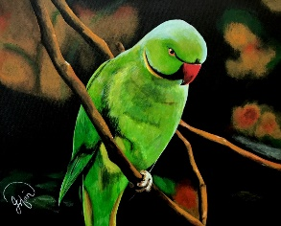 | Angry Bird | Acrylic Base | STRETCHED CANVAS | 20" X 16" | $2,800.00 | $2,240.00 | $280.00 | $1,960.00
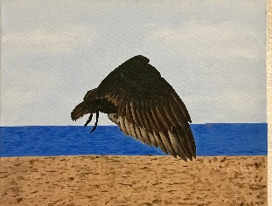 | Soaring Flight | Acrylic Base | STRETCHED CANVAS | 20" X 16" | $2,000.00 | $1,600.00 | $200.00 | $1,400.00
 | Born Free | Acrylic Base | STRETCHED CANVAS | 36" X 24" | $5,800.00 | $4,640.00 | $580.00 | $4,060.00
 | Golden Beauty | Acrylic Base | STRETCHED CANVAS | 12" X 16" | $1,150.00 | $920.00 | $115.00 | $805.00
 | Reaching for Stars | Acrylic Base | STRETCHED CANVAS | 20" X 16" | $2,000.00 | $1,600.00 | $200.00 | $1,400.00
 | Rabbit Island | Acrylic Base | STRETCHED CANVAS | 20" X 16" | $1,800.00 | $1,440.00 | $180.00 | $1,260.00
 | Whispering Forest | Acrylic Base | STRETCHED CANVAS | 20" X 16" | $1,800.00 | $1,440.00 | $180.00 | $1,260.00
 | Date Palm | Acrylic Base | STRETCHED CANVAS | 20" X 16" | $1,400.00 | $1,120.00 | $140.00 | $980.00
 | Blooming Hearts | Acrylic Base | STRETCHED CANVAS | 36" X 24" | $5,000.00 | $4,000.00 | $500.00 | $3,500.00
 | Ginger Flower | Acrylic Base | STRETCHED CANVAS | 16" X 20" | $1,200.00 | $960.00 | $120.00 | $840.00
 | Tropical Whispers | Acrylic Base | STRETCHED CANVAS | 16" X 24" | $3,500.00 | $2,800.00 | $350.00 | $2,450.00

Unmatched Images
IMAGE | UPLOADED FILE NAME | STATUS
 | A Bridge of Amesterdam.jpg | No clear matching title found in the uploaded price list
 | Abu Simbel 1(2).jpg | No clear matching title found in the uploaded price list
 | BLEEDING HEART(2).jpg | No clear matching title found in the uploaded price list
 | BLUE HERON(1).jpeg | No clear matching title found in the uploaded price list

